Sheet1
Relax Boomerang UAT Defects

Case # | Defect details | Status | Reported by
DB001 | 1) The checklist should have both column of "Pass" and "Fail" 2) If system passed the checking, system should tick "Pass" on the corresponding item and not allow further editing. The tick box is only open when the system checking is failed. 3) If either one of these 3 items is failed, the application will automatically instead of manual selection. | Reported | Maria
DB002 | 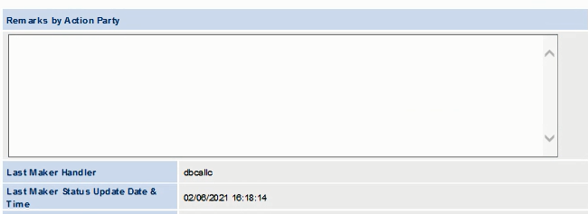 Maker has inputted some information in the remarks field but missing after routed to checker. Same situation of Checker inputted some information in the remarks field but missing after assign back to maker. | Reported | Maria
DB003 | According to the FRS, there will have a radio button to allow user to specify the verified Gender if Gender item is failed. The System also suggest the default value to this verified Gender if the item is marked failed. But not in UAT, if select Fail, system did not suggest the default value. | Reported | Maria
DB004 | According to the FRS, there will have a drop down list of country to allow user to specify the verified Place of Birth if the Place of Birth item is failed. But now in UAT, if tick Fail, system did not provided a drop down list for selection. | Reported | Maria
DB005 | 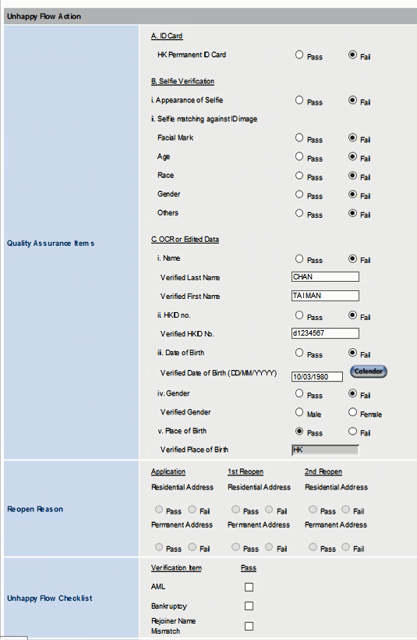 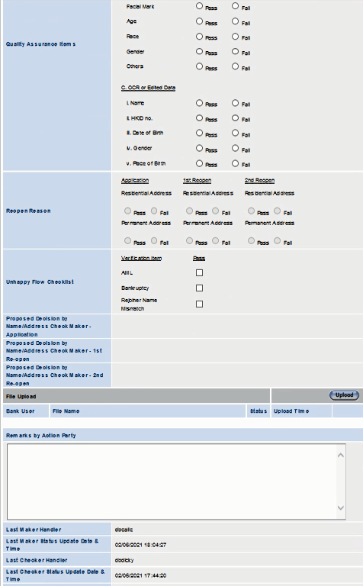 1) According to the FRS, if the QA items under A or B or HKID no. are not pass, the section of “Unhappy Flow Checklist” shall be disabled and skipped the subsequent checking on this part. But now in UAT, system allow to "Recomment to Approve" even if checkbox is empty and/or mark Fail 2) After maker recomment to approve to checker, the inputted value did not carried to the checker screen with all box empty. 3) In Checker view, all views must be view only except the Remarks field. But now in UAT, checker is allowed to tick all boxes. | Reported | Maria
DB006 | 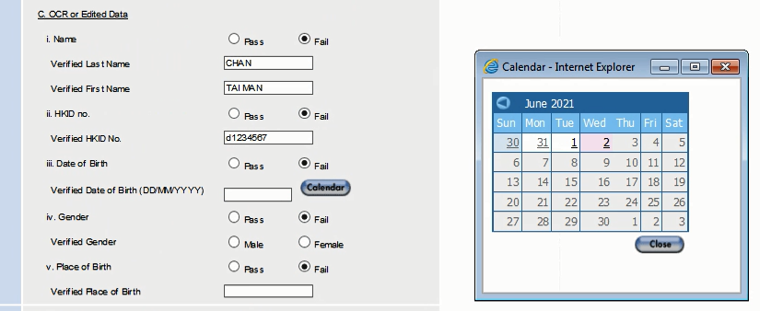 When DOB select fail, system open the field for input and a calendar for selection, but the calendar is hard to use because user can only use the arrow button to move forward which is not practical. | Reported | Maria
BK001 | 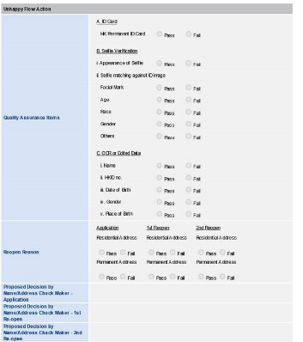 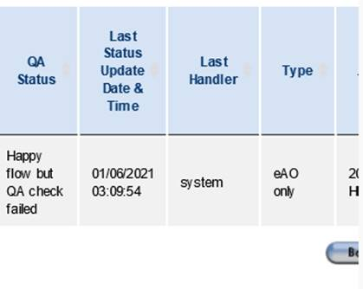 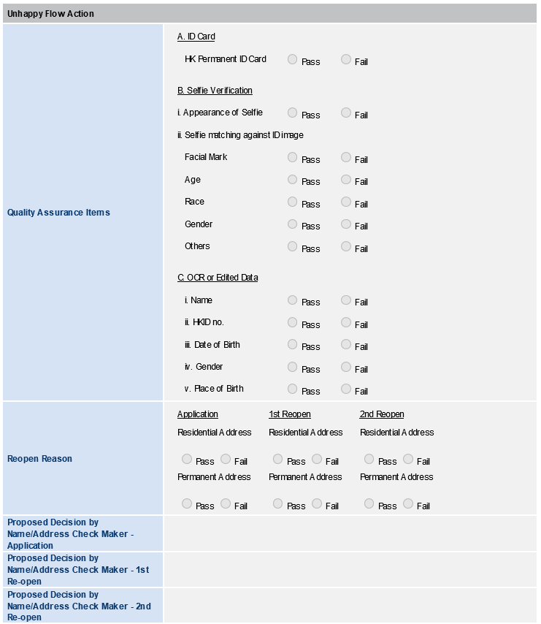 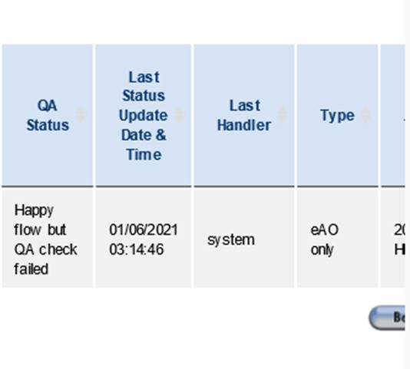 I have failed the following two applications and the QA status have been changed to Failed, but I found the following problems, 1. There are no Unhappy flow action record after submission in BO 2. The last handler in BO is “system”, not the user ID 3. The account status is still “Normal” in HOST record Application Reference Code DB0002642081 Application Reference Code DB0002642164 | Reported | Jess

